Auto Populate CGWR-CCAR
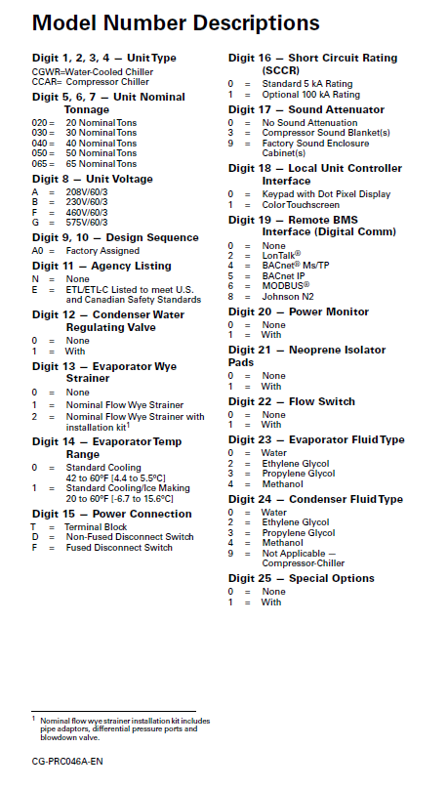

 |  |  |  |  |  |  |  |  |  |  |  |  |  |  |  |  | Date Manufactured | 11/29/21

 |  |  |  |  |  |  |  |  |  |  |  |  |  |  |  |  | Serial | 5320A-01

 | Model | CGWR | 0 | 40 | B - 230-3-60 | A 0 | E - ETL Listed | 1 - With valve(s) installed | 1 - Nom Flow Strainer | 0 - Std cooling 42-60F(5.6-15.6C) | T - Std Terminal Block | 0 - Std 5 kA | 3 - Blankets | 1 - Touchscreen | 5 - Standard BACnet IP | 0 - No PWM | 0 - No Iso Pads | 1 - With Flow Swtch | 0 - Water Evap | 0 - Water Cond | 0 - No special design

 | Refrigerant |  | 410A |  |  |  |  |  |  |  |  |  | Charge | 24 lbs per circuit

 | Oil Type |  | POE |  |  |  |  |  |  |  |  |  | Unit Weight | 1577

 | Maximum Operating Pressures (PSIG):

 | Water Side: |  |  |  | 230 |  |  |  | Condenser |  |  |  |  |  |  | 464 |  |  | Chiller

 | Refr. Side: |  |  |  | 650 |  |  |  | Condenser |  |  |  |  |  |  | 653 |  |  | Chiller

 | Electrical Data:

 | Rated | 230 |  |  | Volts |  |  |  | 3 |  |  | Ph |  |  | 60 |  |  |  | Hz

 |  |  | Model
CKT 1 | Comp. #1 |  | DSH120A3 |  |  |  |  |  | 39 |  |  | RLA |  |  | 267 |  |  |  | LRA

 | Comp. #3 |  | DSH120A3 |  |  |  |  |  | 39 |  |  | RLA |  |  | 267 |  |  |  | LRA

CKT 2 | Comp. #2 |  | DSH240A3 |  |  |  |  |  | 67 |  |  | RLA |  |  | 485 |  |  |  | LRA

 | Minimum Circuit Ampacity |  |  |  |  |  |  |  |  |  |  |  |  |  |  | 162 |  |  | Amps

 | Maximum Fuse Size |  |  |  |  |  |  |  |  |  |  |  |  |  |  | 225 |  |  | Amps

 | Recommended Dual-Element, |  |  |  |  |  |  |  |  |  |  |  |  |  |  | 175 |  |  | Amps
 | Time-Delay Fuse Size

 | Control Panel SCCR |  |  |  |  |  |  |  |  |  |  |  |  |  |  | 5 |  |  | kA RMS
 | (RMS Symmetrical)

 | Maximum Voltage |  |  |  |  |  |  |  |  |  |  |  |  |  |  | 253 |  |  | Volts

 | Literature:

 |  | Installation, Operation
 |  | & Maintenance Manual |  |  |  |  |  |  |  |  | Controls Manual
 |  | CG-SVX038A-EN |  |  |  |  |  |  |  |  | CG-SVX030B-EN

 | Rev 1

Auto Populate CGWR-CCAR DB
 |  |  |  |  |  |  |  |  |  |  |  |  |  |  |  |  | Date Manufactured | 11/29/21

 |  |  |  |  |  |  |  |  |  |  |  |  |  |  |  |  | Serial | 5152A-01

 |  |  |  |  |  | DB Model |  |  |  |  | W | C | S | 0 | 5 | 0 | A R |  | B | G | Q

 | Model | WCCU | 0 | 50 | F - 460-3-60 | A 0 | N - No ETL listing | 1 - With valve(s) installed | 0 - No Strainer | 0 - Std cooling 42-60F(5.6-15.6C) | T - Std Terminal Block | 0 - Std 5 kA | 0 - No enclosure | 0 - Keypad | 4 - BACnet MS/TP | 1 - With PWM | 0 - No Iso Pads | 1 - With Flow Swtch | 0 - Water Evap | 0 - Water Cond | 1 - With special design

 | Refrigerant |  | 410A |  |  |  |  |  |  |  |  |  | Charge | N/A

 | Oil Type |  | POE |  |  |  |  |  |  |  |  |  | Unit Weight | 0

 | Maximum Operating Pressures (PSIG):

 | Water Side: |  |  |  | 230 |  |  |  | Condenser |  |  |  |  |  |  | 464 |  |  | Chiller

 | Refr. Side: |  |  |  | 650 |  |  |  | Condenser |  |  |  |  |  |  | 653 |  |  | Chiller

 | Electrical Data:

 | Rated | 460 |  |  | Volts |  |  |  | 3 |  |  | Ph |  |  | 60 |  |  |  | Hz

 |  |  | Model
CKT 1 | Comp. #1 |  | DSH140A4 |  |  |  |  |  | 19 |  |  | RLA |  |  | 147 |  |  |  | LRA

 | Comp. #3 |  | DSH140A4 |  |  |  |  |  | 19 |  |  | RLA |  |  | 147 |  |  |  | LRA

CKT 2 | Comp. #2 |  | DSH295A4 |  |  |  |  |  | 40 |  |  | RLA |  |  | 260 |  |  |  | LRA

 | Minimum Circuit Ampacity |  |  |  |  |  |  |  |  |  |  |  |  |  |  | 88 |  |  | Amps

 | Maximum Fuse Size |  |  |  |  |  |  |  |  |  |  |  |  |  |  | 125 |  |  | Amps

 | Recommended Dual-Element, |  |  |  |  |  |  |  |  |  |  |  |  |  |  | 100 |  |  | Amps
 | Time-Delay Fuse Size

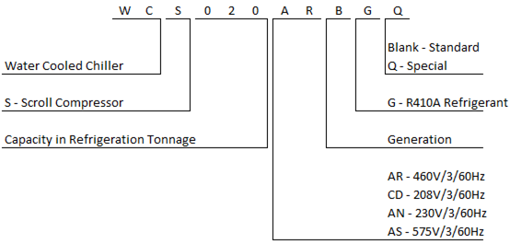
 | Control Panel SCCR |  |  |  |  |  |  |  |  |  |  |  |  |  |  | 5 |  |  | kA RMS
 | (RMS Symmetrical)

 | Maximum Voltage |  |  |  |  |  |  |  |  |  |  |  |  |  |  | 506 |  |  | Volts

 | Rev 1

Auto Populate (CICD)
 |  |  |  |  |  |  |  |  |  |  |  |  |  |  |  |  |  |  | 5kA OR 100kA?
 |  |  |  |  |  |  |  |  |  |  |  |  |  |  |  |  |  |  | 5
 |  |  |  |  |  |  |  |  |  |  |  |  |  |  |  |  |  |  | Water Pressure?
 |  |  |  |  |  |  |  |  |  |  |  |  |  |  |  | Date Manufactured | 2021-11-29 |  | 150

 |  |  |  |  |  |  |  |  |  |  |  |  |  |  |  | Serial | 5315A-01

Model | CICD | 055 | F - 460-3-60 | B - Remote Condenser | A - R-410A Scroll | 2 - Dual Circuit | 1 - Standard Efficiency | 0 - Factory Assigned | 0 - Non-Array System | 0 - Brazed Plate | 0 - Water | 0 - Constant Flow Primary | 0 - Standard Cooling | 0 - Manual Valves | 5 - Remote Condenser | 0 - Water

Refrigerant |  | 410A |  |  |  |  |  |  |  |  |  | Ref Charge, lbs | Crt 1=NA |  |  |  |  | Crt 2=NA

Oil Type |  | POE |  |  |  |  |  |  |  |  |  | Unit Weight | 1545 LBS

Maximum Operating Pressures (PSIG):

Water Side: |  |  |  | N/A |  |  |  | Condenser |  |  |  |  |  |  | 150 |  |  | Evaporator

Refr. Side: |  |  |  | N/A |  |  |  | Condenser |  |  |  |  |  |  | 710 |  |  | Evaporator

Electrical Data:

Rated | 460 |  |  | Volts |  |  |  | 3 |  |  | Ph |  |  | 60 |  |  |  | Hz

 |  | Model
Comp 1 Circuit 1 |  | DSH295A4 |  |  |  |  |  | 40 |  |  | RLA |  |  | 260 |  |  |  | LRA

Comp 2 Circuit 2 |  | DSH295A4 |  |  |  |  |  | 40 |  |  | RLA |  |  | 260 |  |  |  | LRA

 |  | NA |  |  |  |  |  | NA |  |  | RLA |  |  | NA |  |  |  | LRA

 |  | NA |  |  |  |  |  | NA |  |  | RLA |  |  | NA |  |  |  | LRA

Minimum Circuit Ampacity |  |  |  |  |  |  |  |  |  |  |  |  |  |  | 89 |  |  | Amps

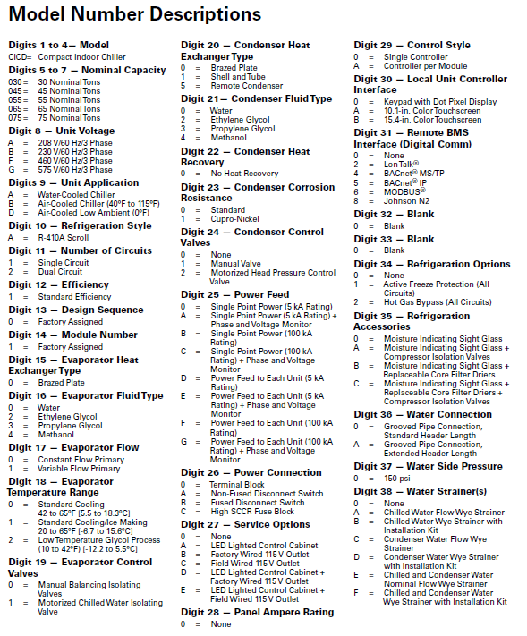
Maximum Fuse Size |  |  |  |  |  |  |  |  |  |  |  |  |  |  | 125 |  |  | Amps

Recommended Dual-Element, |  |  |  |  |  |  |  |  |  |  |  |  |  |  | 100 |  |  | Amps
Time-Delay Fuse Size

Control Panel SCCR |  |  |  |  |  |  |  |  |  |  |  |  |  |  | 5 |  |  | kA RMS
(RMS Symmetrical)

Maximum Voltage |  |  |  |  |  |  |  |  |  |  |  |  |  |  | 506 |  |  | Volts

Literature:

 | Installation, Operation
 | & Maintenance Manual |  |  |  |  |  |  |  |  | Controls Manual
 | CG-SVX044*-EN |  |  |  |  |  |  |  |  | CG-SVX030*-EN

Rev 1

Auto Populate (ACCA)
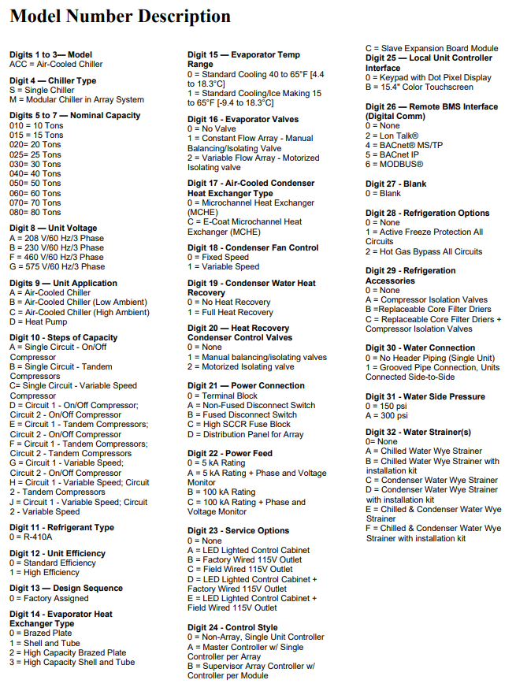
 |  |  |  |  |  |  |  |  |  |  |  |  |  |  |  |  |  |  |  |  | 5kA OR 100kA?
 |  |  |  |  |  |  |  |  |  |  |  |  |  |  |  |  |  |  |  |  | 5
 |  |  |  |  |  |  |  |  |  |  |  |  |  |  |  |  |  |  |  |  | Water Pressure?
 |  |  |  |  |  |  |  |  |  |  |  |  |  |  |  |  | Date Manufactured | 2021-11-29 |  |  | 150

 |  |  |  |  |  |  |  |  |  |  |  |  |  |  |  |  | Serial | 5076A-01

Model | ACC | S - Stand Alone | 050 | B - 230-3-60 | A - Air-Cooled Chiller | F - Circuit A - Tandem Compressors; Circuit B - Tandem Compressors | 0 - R-410A | 0 - Standard Efficiency | 0 - Factory Assigned | 0 - Brazed Plate | 0 - Standard Cooling 40 to 65°F [4.4 to 18.3°C] | 0 - No Valve | 0 - Microchannel Heat Exchanger (MCHE) | 1 - Variable Speed | 0 - No Heat Recovery | 0 - None

Refrigerant |  | 410A |  |  |  |  |  |  |  |  |  |  | Charge | Crt 1=15.5 |  |  |  |  | Crt 2=15.5

Oil Type |  | POE |  |  |  |  |  |  |  |  |  |  | Unit Weight | 2000 lbs

Maximum Operating Pressures (PSIG):

Water Side: |  |  |  |  | N/A |  |  |  | Condenser |  |  |  |  |  |  |  | 150 |  |  | Chiller

Refr. Side: |  |  |  |  | 650 |  |  |  | Condenser |  |  |  |  |  |  |  | 650 |  |  | Chiller

Electrical Data:

Rated | 230 |  |  |  |  | Volts |  |  |  | 3 |  |  | Ph |  |  | 60 |  |  |  | Hz

 |  |  |  | Model
Comp. #1 |  | CKT 1 |  | DSH140A3 |  |  |  |  |  | 304 |  |  | RLA |  |  | 41 |  |  |  | LRA

Comp. #3 |  |  |  | DSH140A3 |  |  |  |  |  | 304 |  |  | RLA |  |  | 41 |  |  |  | LRA

Comp. #2 |  | CKT 2 |  | DSH140A3 |  |  |  |  |  | 304 |  |  | RLA |  |  | 41 |  |  |  | LRA

Comp. #4 |  |  |  | DSH140A3 |  |  |  |  |  | 304 |  |  | RLA |  |  | 41 |  |  |  | LRA

Minimum Circuit Ampacity |  |  |  |  |  |  |  |  |  |  |  |  |  |  |  |  | 184 |  |  | Amps

Maximum Fuse Size |  |  |  |  |  |  |  |  |  |  |  |  |  |  |  |  | 225 |  |  | Amps

Recommended Dual-Element, |  |  |  |  |  |  |  |  |  |  |  |  |  |  |  |  | 200 |  |  | Amps
Time-Delay Fuse Size

Fan FLA Ea. |  |  |  |  |  |  |  |  |  |  |  |  |  |  |  |  | 5 |  |  | Amps

Control Panel SCCR |  |  |  |  |  |  |  |  |  |  |  |  |  |  |  |  | 5 |  |  | kA RMS
(RMS Symmetrical)

Maximum Utilization Range |  |  |  |  |  |  |  |  |  |  |  |  |  |  |  | 253 |  |  |  | Volts

Rev 0

